Returns
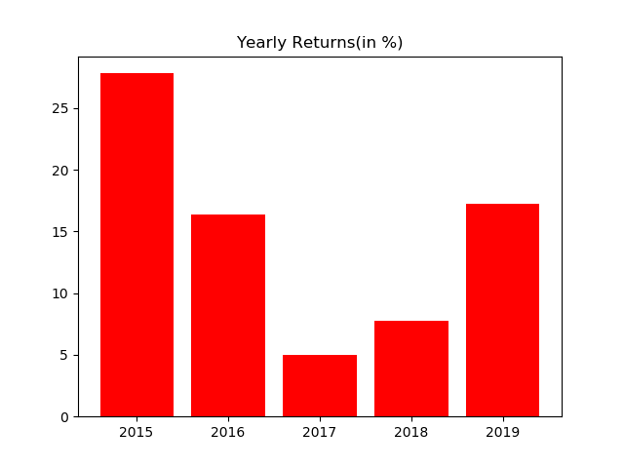
Year | % Returns | Average | StDev
2015-12-31 | 27.824274191 | 14.859758869 | 8.9854670384
2016-12-31 | 16.415560664
2017-12-31 | 5.0334715239
2018-12-31 | 7.7755288676
2019-12-31 | 17.2499591

 |  | Average | StDev
Month | % Returns | 1.1584309191 | 1.9088425492
Jan-15 | 4.0885607977
Feb-15 | 1.4039954848
Mar-15 | 1.8360003987
Apr-15 | 0.24988768782
May-15 | 3.5389765072
Jun-15 | 1.4849973091
Jul-15 | 3.1225026783
Aug-15 | 4.9610933419
Sep-15 | 3.6242461202
Oct-15 | 1.7193255263
Nov-15 | -2.3956907412
Dec-15 | 1.3791591848
Jan-16 | -1.1015491201
Feb-16 | 2.0860980007
Mar-16 | 4.0820688862
Apr-16 | 3.1620398465
May-16 | 2.4326148019
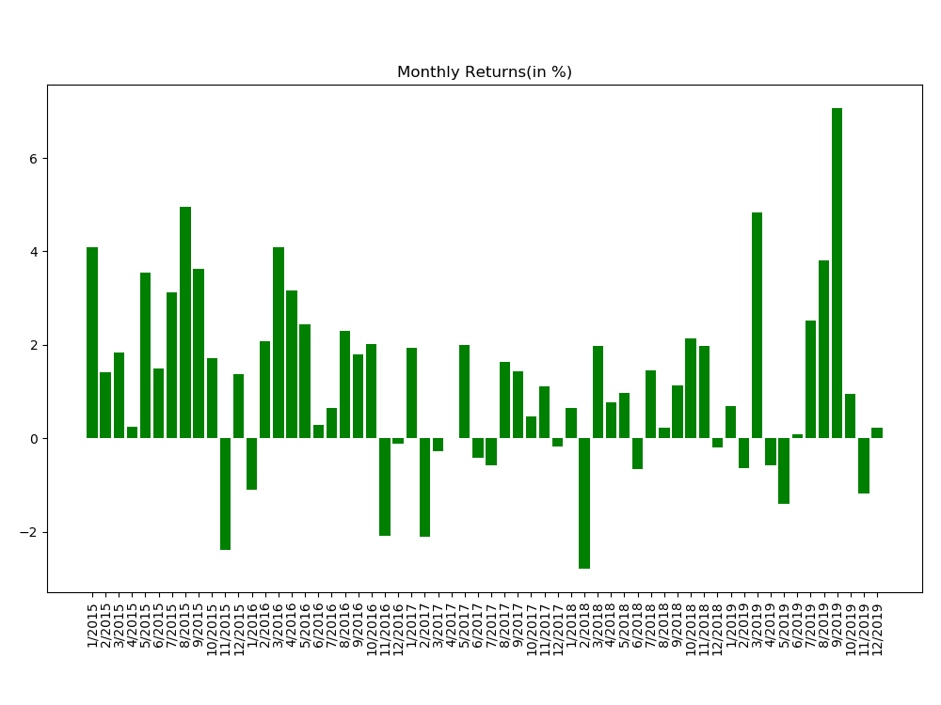
Jun-16 | 0.28702658437
Jul-16 | 0.6406469527
Aug-16 | 2.294763578
Sep-16 | 1.7993995796
Oct-16 | 2.0102173775
Nov-16 | -2.0979361133
Dec-16 | -0.12230071028
Jan-17 | 1.9309483424
Feb-17 | -2.1145932749
Mar-17 | -0.27718581615
Apr-17 | -0.0019960573427
May-17 | 1.9950274753
Jun-17 | -0.42515150234
Jul-17 | -0.58269785184
Aug-17 | 1.6393249646
Sep-17 | 1.4350024825
Oct-17 | 0.46313198974
Nov-17 | 1.1141673918
Dec-17 | -0.17050333327
Jan-18 | 0.64645655196
Feb-18 | -2.8025260263
Mar-18 | 1.9760963124
Apr-18 | 0.76194475177
May-18 | 0.96166903461
Jun-18 | -0.6579774828
Jul-18 | 1.4526133251
Aug-18 | 0.22394035536
Sep-18 | 1.1336750448
Oct-18 | 2.1320329994
Nov-18 | 1.9778020186
Dec-18 | -0.18768535412
Jan-19 | 0.69153543049
Feb-19 | -0.63219178687
Mar-19 | 4.8285155149
Apr-19 | -0.58442650789
May-19 | -1.4145784833
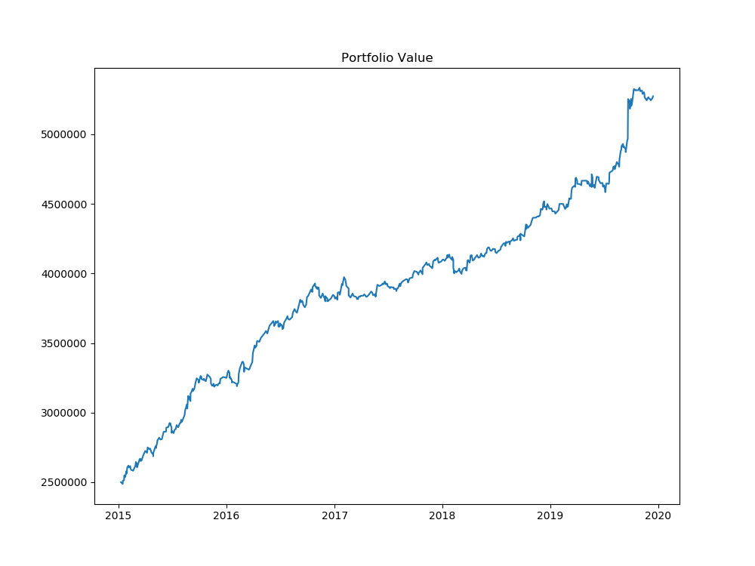
Jun-19 | 0.0934674685
Jul-19 | 2.524356402
Aug-19 | 3.8137670318
Sep-19 | 7.0760059121
Oct-19 | 0.95023883629
Nov-19 | -1.1834717502
Dec-19 | 0.23297677644

Graph
